Sheet1
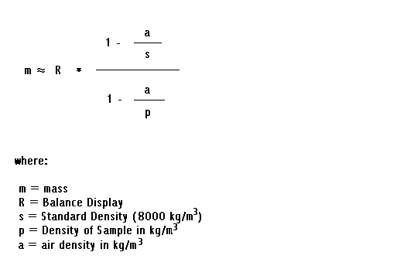
nominal Volume (cm^3) | weight g | Temp Bottle | av temp Burette | water density @ t | density corrected mass | volume dispensed | delta V |  | water density @22.7 | 6/6/11
5 | 4.99297 | 22.46 | 23 | 997.53485564 | 4.9922311913 | 5.0045681743 | 0.004568174275 |  | 0.0011933271115
5 | 4.99146 | 22.28 | 23.15 | 997.49917524 | 4.9907214149 | 5.0032336255 | 0.0032336254634 |  | standard density g/cm^3
5 | 4.99314 | 22.41 | 22.84 | 997.57266941 | 4.9924011659 | 5.0045488604 | 0.004548860442 |  | 8
4 | 3.99455 | 22.5 | 23.13 | 997.50394546 | 3.9939589274 | 4.0039530125 | 0.0039530125182
4 | 3.99482 | 22.54 | 23.01 | 997.53248387 | 3.9942288873 | 4.0041090911 | 0.0041090911224
Dosimat correction 2011 06 07
3 | 2.99678 | 22.59 | 23.22 | 997.48244841 | 2.9963365673 | 3.0038990381 | 0.003899038074
3 | 2.99658 | 22.66 | 23.05 | 997.52298687 | 2.9961365967 | 3.0035764951 | 0.0035764951466
2 | 1.99563 | 22.67 | 23.09 | 997.51347406 | 1.9953347071 | 2.0003085261 | 0.00030852613081
2 | 2.00351 | 22.69 | 23.07 | 997.51823244 | 2.0032135411 | 2.0081974203 | 0.0081974202941
2 | 1.99888 | 22.71 | 23.05 | 997.52298687 | 1.9985842262 | 2.0035470385 | 0.0035470384967
1 | 0.99994 | 22.74 | 23.11 | 997.50871174 | 0.99979203912 | 1.00228903 | 0.0022890300177
1 | 0.99976 | 22.76 | 23.12 | 997.50632909 | 0.99961206576 | 1.0021110008 | 0.0021110008072
1 | 0.99977 | 22.8 | 23.3 | 997.46327296 | 0.99962206433 | 1.0021642816 | 0.0021642815571
0.5 | 0.49903 | 22.89 | 23.54 | 997.40536954 | 0.49895615871 | 0.50025413332 | 0.00025413332346
0.5 | 0.50047 | 22.97 | 23.72 | 997.36157207 | 0.50039594566 | 0.50171969693 | 0.0017196969258
5 | 4.99137 | 23.15 | 24.03 | 997.28540352 | 4.9906314295 | 5.0042158562 | 0.0042158562484
5 | 4.99301 | 23.32 | 24.7 | 997.11760934 | 4.9922711879 | 5.0067024602 | 0.0067024602497

Dosimat correction 6/7/2011
excluded from calculation
4 | 3.97852 | 22.51 | 23 | 997.53485564 | 3.9779312992 | 3.9877617075 | -0.012238292496 | bubble?
3 | 2.98051 | 22.58 | 23.37 | 997.44644283 | 2.9800689749 | 2.9876982331 | -0.012301766885 | bubble?
0.5 | 0.48604 | 23.06 | 23.86 | 997.32728899 | 0.48596808088 | 0.48727041388 | -0.012729586118

